Normal Distribution
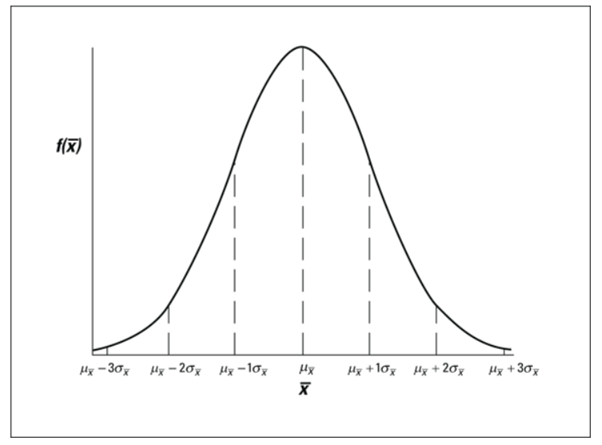
Simulate Data in Google Sheets |  |  | Proportion%
Empirical Rules |  | +/- 1SD | 68.2
 |  | +/- 2SD | 95
 |  | +/- 3SD | 99.7

220.3 | MEAN | 200.8 |  | FALSE
203.7 | SD | 13.3 |  | % Proportion
193.7 | +-1SD | 187.5 | 214.1 | 68.00%
200.0 | +-2SD | 174.2 | 227.4 | 97.00%
179.3 | +-3SD | 160.9 | 240.6 | 98.00%
183.8 |  | Lower Bound | Upper Bound
193.9
211.4
241.5
189.7
195.9
220.4
195.2
202.5
200.5
219.4
187.4
191.7
214.4
188.1
223.6
219.0
227.9
197.0
190.7
212.3
182.2
201.8
188.6
212.8
205.4
196.5
197.1
206.0
188.4
208.5
208.8
209.2
209.3
205.1
199.9
184.3
188.2
198.9
207.7
223.0
200.8
207.9
196.0
195.6
200.8
177.8
218.1
218.0
160.5
203.9
214.0
203.7
209.4
198.9
193.0
219.7
199.9
190.0
200.9
191.4
193.7
218.3
201.8
197.1
203.4
210.4
195.9
203.8
212.6
202.1
214.7
185.2
175.4
199.1
187.5
203.2
211.2
219.0
185.6
180.9
203.7
185.8
219.2
175.8
198.3
200.5
180.4
181.0
205.7
208.8
203.9
192.0
193.0
204.4

Confidence Interval

We want to estimate Rating of TENET film among those who have watched it this year.

 | Rating
 | 7.5 |  | Mean | 7.606
 | 8.0 |  | SD | 0.7279646626
 | 6.8 |  | N | 50
 | 8.1
 | 7.4 |  | Confidence Level | Confidence interval
 | 7.8 |  | 95% | Lower Bound | Upper Bound
 | 8.5 |  |  | 7.404 | 7.808
 | 8.4 |  |  | 7.404 | 7.808
 | 8.7
 | 8.3 |  | Margin Error | 0.2018
 | 7.5
 | 6.8 | Standard Error | SE | 0.1029
 | 8.7 |  | Margin Error | 0.2018
 | 7.4
 | 6.2
 | 9.0
 | 7.3
 | 7.0
 | 5.7
 | 6.9
 | 7.8
 | 7.2
 | 8.3
 | 6.8
 | 7.5
 | 7.5
 | 5.7
 | 7.9
 | 8.6
 | 7.9
 | 7.0
 | 8.5
 | 7.2
 | 7.2
 | 8.3
 | 7.8
 | 7.6
 | 7.3
 | 6.9
 | 8.2
 | 8.2
 | 8.2
 | 8.0
 | 7.5
 | 7.3
 | 7.7
 | 8.2
 | 6.7
 | 7.4
 | 7.8

Paired T-Test

 |  |  |  |  | Pair T.Test
 |  |  |  |  | เทียบค่าเฉลี่ยของคนสองกลุ่ม แต่เป็นกลุ่มเดียวกันคนละช่วงเวลา

 |  | One month of special training

 | Before |  |  | After
Mean | 65 |  | Mean | 72
SD | 5 |  | SD | 3

Student_ID | Before | After | DIFF
1 | 68.73 | 74.20 | 5.5 |  | Test equality of variances
2 | 64.10 | 70.54 | 6.4 |  | F.Test
3 | 63.30 | 70.93 | 7.6 |  | Paired T.Test
4 | 60.06 | 74.66 | 14.6 |  | Test equality of means
5 | 68.75 | 75.70 | 6.9 |  | T.Test | Reject HO
6 | 65.89 | 73.34 | 7.5
7 | 63.60 | 76.58 | 13.0 |  | AVG_DIFF | 7.168788757
8 | 68.22 | 70.61 | 2.4 |  | TRUE
9 | 62.71 | 75.30 | 12.6
10 | 55.98 | 72.71 | 16.7 |  | H0: mean Before = mean After
11 | 65.94 | 66.94 | 1.0 |  | H1: mean Before != mean After
12 | 63.25 | 77.40 | 14.1 |  | If p-value <= 0
13 | 63.79 | 78.29 | 14.5
14 | 73.55 | 71.26 | -2.3
15 | 59.96 | 66.31 | 6.3
16 | 65.51 | 71.12 | 5.6
17 | 67.64 | 66.10 | -1.5
18 | 71.72 | 68.61 | -3.1
19 | 62.45 | 75.72 | 13.3
20 | 64.52 | 71.77 | 7.2
21 | 59.53 | 76.01 | 16.5
22 | 70.10 | 74.17 | 4.1
23 | 62.41 | 76.28 | 13.9
24 | 59.43 | 76.62 | 17.2
25 | 71.44 | 68.89 | -2.6
26 | 61.50 | 67.96 | 6.5
27 | 65.71 | 75.65 | 9.9
28 | 68.01 | 67.41 | -0.6
29 | 64.05 | 71.22 | 7.2
30 | 65.50 | 68.31 | 2.8
31 | 62.28 | 71.52 | 9.2
32 | 63.01 | 79.03 | 16.0
33 | 69.09 | 71.19 | 2.1
34 | 61.64 | 69.41 | 7.8
35 | 64.50 | 70.10 | 5.6
36 | 74.53 | 72.94 | -1.6
37 | 67.60 | 74.34 | 6.7
38 | 61.36 | 69.38 | 8.0
39 | 59.24 | 68.32 | 9.1
40 | 62.34 | 70.48 | 8.1
41 | 59.41 | 70.73 | 11.3
42 | 66.06 | 71.39 | 5.3
43 | 63.58 | 73.38 | 9.8
44 | 62.28 | 73.04 | 10.8
45 | 67.28 | 70.87 | 3.6
46 | 61.34 | 69.74 | 8.4
47 | 66.75 | 68.25 | 1.5
48 | 69.51 | 72.26 | 2.8
49 | 64.20 | 68.83 | 4.6
50 | 69.94 | 75.96 | 6.0

